Sheet1
Class of Instrument | Equities – Shares & Depositary Receipts (Tick size 1&2)
Top five execution venues ranked in terms of trading volumes (descending order) | Proportion of volume traded as a percentage of total in that class | Proportion of orders executed as a percentage of total in that class | Percentage of passive orders | Percentage of aggressive orders | Percentage of directed orders
ROYAL BANK OF CANADA EUROPE LIMITED - TXDSU46SXBWIGJ8G8E98 | 30.61% | 53.46% | 0.00% | 0.00% | 0.00%
HSBC CONTINENTAL EUROPE - F0HUI1NY1AZMJMD8LP67 | 47.40% | 40.30% | 0.00% | 0.00% | 0.00%
SMBC Nikko Securities Inc - 549300HIK4TTS0OCL437 | 12.83% | 2.95% | 0.00% | 0.00% | 0.00%
MIZUHO INTERNATIONAL PLC - 213800HZ54TG54H2KV03 | 1.09% | 1.47% | 0.00% | 0.00% | 0.00%
Maxim Group LLC | 1.90% | 0.71% | 0.00% | 0.00% | 0.00%
254900OJ6JZO6SDMHQ83
Above top 5 brokers, covers majority of our executing brokers, where our orders are traded through

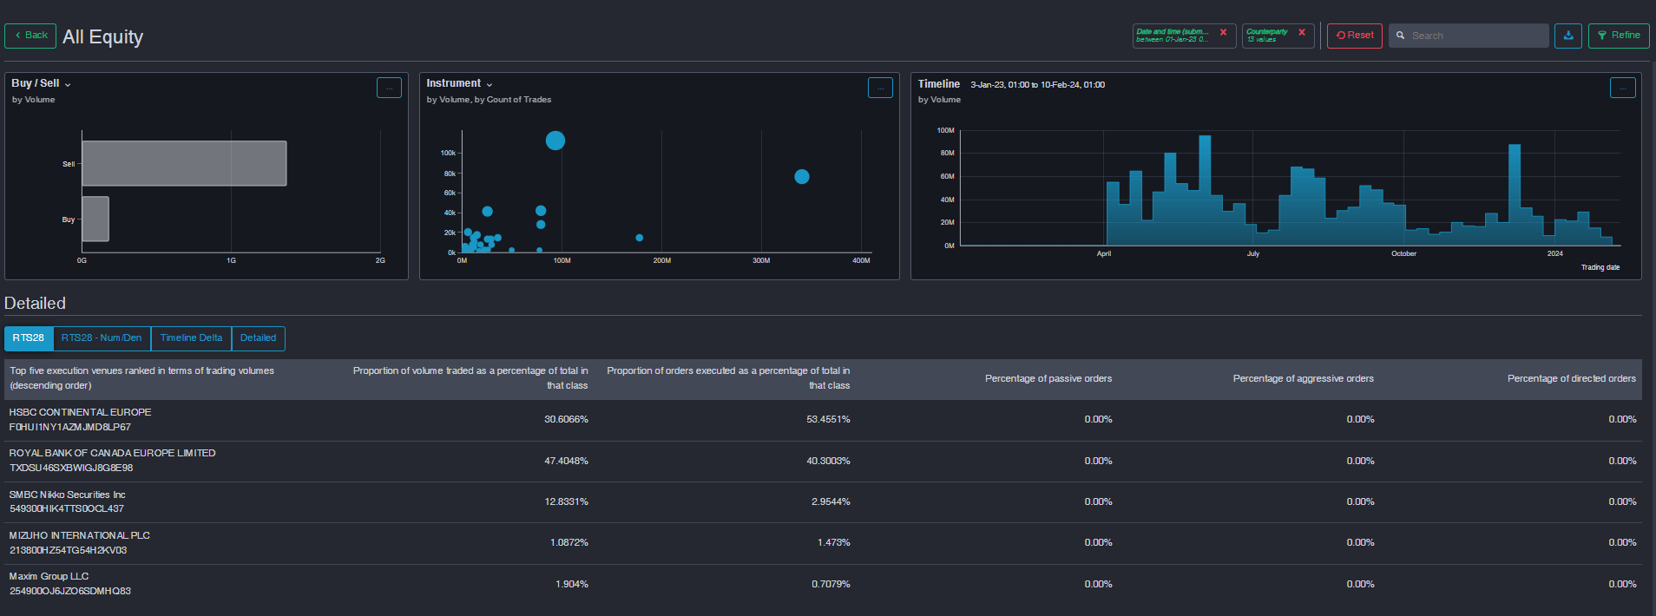

 |  |  | 0

